Sheet1
 |  | Document No. | Issue No. | Issue Date |  | Review and Replace Date |  | Authorised By
 |  | GFF110MC | 1 | 11.07.2019 |  | New Issue
 |  | Document Title | Chicken Tikka Hot Pot 270g
 |  |  | Page 1 of 1 |  | Clause |  | 6.1 | Magda Shah
Document amendments reason for change |  | New document created |  |  | Previous Issue Date |  | New Issue | Uncontrolled copy unless signed original

TBC | FSC |  | CHICKEN TIKKA HOT POT 270g | FROZEN
STEP 1 |  |  |  |  | STEP 2
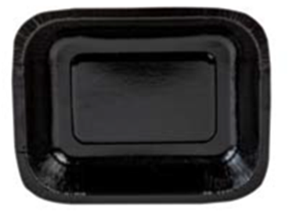 |  |  |  |  | 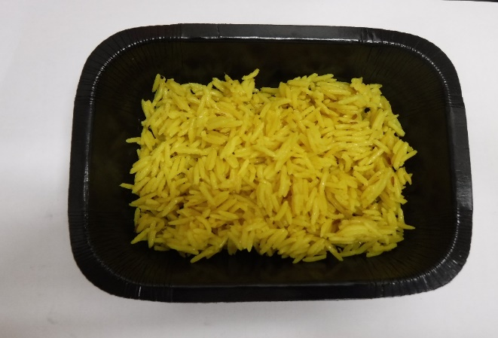

NO GAS FLASHED PRODUCT

Tray: Small Hot Pot Tray (PKHAV001-01) - from HAVI |  |  |  |  | Pilau Rice (GFF143R): 90g
Film: Film:Mylar 250LAF 195mm x 500 (PKWRA001-06) (RPC Bebo 538sP Machine)
Film: Film:Mylar 250LAF 130mm x 500 (PKWRA001-05) (B'185 Machine)
STEP 3 |  |  |  |  | STEP 4
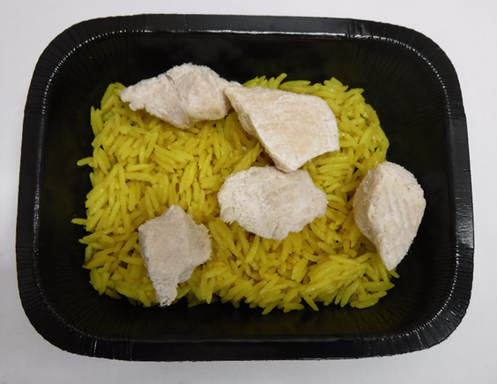 |  |  |  |  | 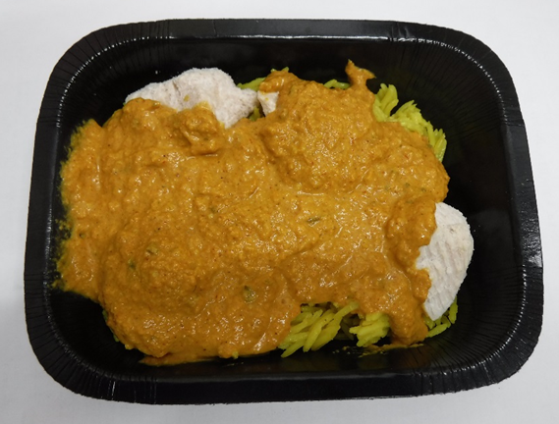

Marinated Chicken 10g (Longday) (RMLON002-04): 50g |  |  |  |  | Tikka Masala Sauce (GFF141R): 130g |  |  | Total Weight: 270g

ALLERGY ALERT: BARLEY, MILK, NUTS

